ERD
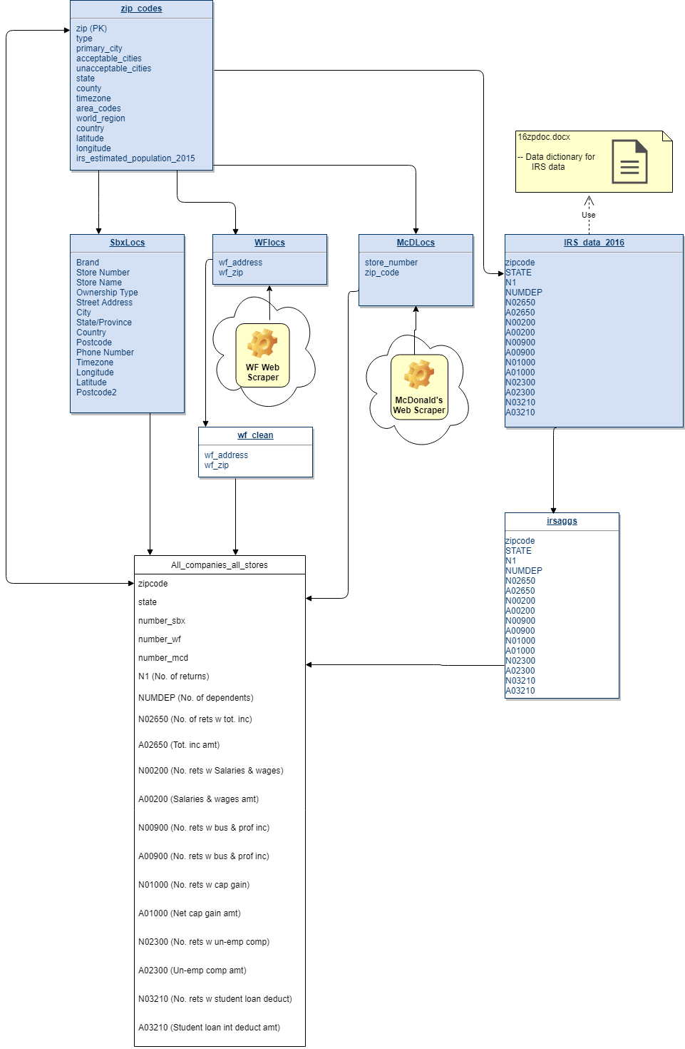

census data views
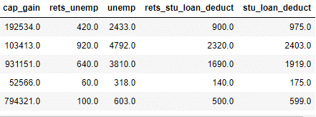
FILE NAME: aggregated_data.csv

zip state num_mcd num_sbx num_wf rets dep ret_tot_inc \
0 10001 NY 4 15 4 14520.0 3290.0 14520.0
1 10002 NY 0 1 1 42180.0 17490.0 42180.0
2 10003 NY 2 10 2 28660.0 4490.0 28660.0
3 10004 NY 0 6 0 2480.0 1030.0 2480.0
4 10005 NY 0 6 0 5940.0 1220.0 5940.0

tot_inc ret_wages wages rets_bus_inc bus_inc ret_cap_gain \
0 2323084.0 12080.0 1618969.0 2980.0 82477.0 4470.0
1 2313723.0 35240.0 1802797.0 7690.0 113416.0 6110.0
2 6720746.0 23400.0 3965359.0 6710.0 261633.0 12880.0
3 830828.0 2140.0 550998.0 510.0 23702.0 1050.0
4 3171561.0 5200.0 948413.0 930.0 41932.0 2340.0

cap_gain rets_unemp unemp rets_stu_loan_deduct stu_loan_deduct
0 192534.0 420.0 2433.0 900.0 975.0
1 103413.0 920.0 4792.0 2320.0 2403.0
2 931151.0 640.0 3810.0 1690.0 1919.0
3 52566.0 60.0 318.0 140.0 175.0
4 794321.0 100.0 603.0 500.0 599.0

Starbucksdata
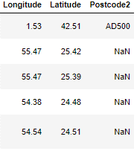
Brand Store_Number Store_Name Ownership_Type \
0 Starbucks 47370-257954 Meritxell, 96 Licensed
1 Starbucks 22331-212325 Ajman Drive Thru Licensed
2 Starbucks 47089-256771 Dana Mall Licensed
3 Starbucks 22126-218024 Twofour 54 Licensed
4 Starbucks 17127-178586 Al Ain Tower Licensed

Street_Address City State_Province Country \
0 Av. Meritxell, 96 Andorra la Vella 7 AD
1 1 Street 69, Al Jarf Ajman AJ AE
2 Sheikh Khalifa Bin Zayed St. Ajman AJ AE
3 Al Salam Street Abu Dhabi AZ AE
4 Khaldiya Area, Abu Dhabi Island Abu Dhabi AZ AE

Postcode Phone_Number Timezone Longitude Latitude \
0 AD500 376818720 GMT+1:00 Europe/Andorra 1.53 42.51
1 NaN NaN GMT+04:00 Asia/Dubai 55.47 25.42
2 NaN NaN GMT+04:00 Asia/Dubai 55.47 25.39
3 NaN NaN GMT+04:00 Asia/Dubai 54.38 24.48
4 NaN NaN GMT+04:00 Asia/Dubai 54.54 24.51

Postcode2
0 AD500
1 NaN
2 NaN
3 NaN
4 NaN
In [ ]:

McDonalds data views
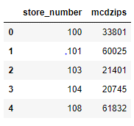
FILE NAME: McDlocsAllClean.csv

store_number mcdzips
0 100 33801
1 101 60025
2 103 21401
3 104 20745
4 108 61832

WFlocs view
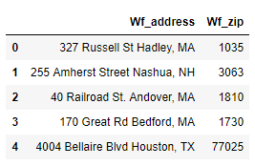
File Name: Wflocs.csv

Wf_address Wf_zip
0 327 Russell St Hadley, MA 1035
1 255 Amherst Street Nashua, NH 3063
2 40 Railroad St. Andover, MA 1810
3 170 Great Rd Bedford, MA 1730
4 4004 Bellaire Blvd Houston, TX 77025

Zip codes
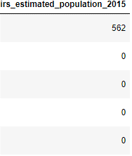
File name: zip_codes_cleaned.csv

zip type decommissioned primary_city state county \
0 501 UNIQUE 0 Holtsville NY Suffolk County
1 544 UNIQUE 0 Holtsville NY Suffolk County
2 601 STANDARD 0 Adjuntas PR Adjuntas Municipio
3 602 STANDARD 0 Aguada PR Aguada Municipio
4 603 STANDARD 0 Aguadilla PR Aguadilla Municipio

timezone area_codes world_region country latitude longitude \
0 America/New_York 631 NaN US 40.81 -73.04
1 America/New_York 631 NaN US 40.81 -73.04
2 America/Puerto_Rico 787,939 NaN US 18.16 -66.72
3 America/Puerto_Rico 787,939 NaN US 18.38 -67.18
4 America/Puerto_Rico 787 NaN US 18.43 -67.15

irs_estimated_population_2015
0 562
1 0
2 0
3 0
4 0

